DATA





DATA
Tahun | : | 2022
Discount Rate | : | 12%
Transfer price TM | : | 986.00
Umur ekonomis (tahun) | : | 25.00
Selisih Susut Teknis | : | 2.25%
∑ Daya | : | 7
BP (Rp) | : | 6,298,500
RAB (Rp) | : | 297,522
Biaya O&M (2% invest) | : | 5,950
ISIKAN DATA YANG BERTANDA *

Nama Pelanggan | : | ALI MAHMUDI | *
Golongan Pelanggan | : | B2 | *
Jenis Layanan | : | REGULER | *
Daya Lama (kVA) | : | 17 | *
Daya Baru (kVA) | : | 23.00 | *
Tarif WBP (Rp/kWh) | : | 1,444.70 | *
Tarif LWBP (Rp/kWh) | : | 1,444.70 | *
BP (Rp/VA) TR | : | 969 | *
Jam Nyala | : | 40 | *

KKO
KAJIAN KELAYAKAN OPERASI

DAYA LAMA |  |  |  | DAYA BARU
Nama Pelanggan | : | ALI MAHMUDI |  | Nama Pelanggan | : | ALI MAHMUDI
Daya Lama (VA) | : |  |  | Daya Baru (VA) | : | 16500
Jumlah Fasa | : |  | * | Jumlah Fasa | : | 3
Tegangan Sekunder Pengukuran rata-rata (Fasa-Netral) (V) | : | 380 | * | Tegangan Sekunder Pengukuran rata-rata (Fasa-Netral) (V) | : | 380
Beban Pelanggan (A) | : | 0.00 |  | Beban Pelanggan (A) | : | 25.07

SUPLAI TRAFO EKSISTING |  |  |  | SUPLAI TRAFO RENCANA
Nomor Tiang | : | K2-692N |  | Nomor Tiang | : | K2-692N
Penyulang | : | PWI 12 |  | Penyulang | : | PWI 12
Daya | : | 50 | * | Daya | : | 50
Jumlah Fasa | : | 3 | * | Jumlah Fasa | : | 3
Beban TRAFO (Pengukuran Lapangan) |  | 28 |  | Beban TRAFO | : | 25.07
Beban Primer | : | 1.44 | * | Beban Primer | : | 1.44
Beban Sekunder | : | 75.97 | * | Beban Sekunder | : | 75.97
Beban (A) | : | #VALUE! |  | Beban (A) | : | #VALUE!
Prosentase Pembebanan | : | 37% |  | Beban (A) | : | 33%
 | 33% | 100%
Prosentase Pembebanan | : | 100% |  | Beban (A) | : | 100%

RAB
 |  | PT. PLN ( PERSERO )
 |  | UNIT INDUK DISTRIBUSI JAWA TENGAH & DI YOGYAKARTA |  |  |  |  |  |  |  |  |  |  | RAB TOTAL
 |  | UP3 DEMAK |  |  |  |  |  |  |  |  |  | RAB TOTAL | RAB NON MDU
 | RENCANA ANGGARAN BIAYA (RAB)

 |  |  |  | Pekerjaan | : | PD Daya 23 KVA ALI MAHMUDI
 |  |  |  | Lokasi | : | Jl. DANYANG - KUWU CENGKLIK NAMBUHAN
 |  |  |  | Pelaksana | : | PT. PLN (PERSERO) UP3 DEMAK
 |  |  |  | Anggaran | : | SAR 2022

Note !! 1. Saat Pengisian Uraian di mohon memasukan nama material sesuai dengan nama material di harga satuan
2. Mohon di cek kembali saat pengisian volume material
3. Untuk program Sarana Penunjang Fungsi tidak perlu SLO.
 | NO | URAIAN | GOL | SAT | VOL | HARGA SATUAN | BIAYA YANG DIPERLUKAN ( Rp )
 |  |  |  |  |  |  | MDU | HARDWARE | JASA | JUMLAH

#REF! | I | PEMASANGAN TIANG |  |  |  | 0 | 0 | 0 | 0 | 0
#REF! | II | PEMASANGAN KONSTRUKSI |  |  |  | 0 | 0 | 0 | 0 | 0
 |  |  |  |  |  | 0 | 0 | 0 | 0 | 0
 | III | PEKERJAAN PEMASANGAN KONDUKTOR |  |  |  | 0 | 0 | 0 | 0 | 0
 | IV | PEMASANGAN APP |  |  |  | 0 | 0 | 0 | 0 | 0
 |  |  |  |  |  | 0 | 0 | 0 | 0 | 0
 | + | Daya 23.000 VA |  | Unit | 1 | 0 | 0 | 0 | 0 | 0
 | 1 | KWH Elektronik; 3P; 4W; 220/380V; 5(80) A; kls 1 (Pengukuran Langsung) | ATB | Bh | 1 | 1,281,430 | 0 | 0 | 0 | 0
 | 2 | Smart Box Langsung Daya 23 kVA MCCB 35 A | ATB | Unit | 1 | 2,980,000 | 0 | 0 | 0 | 0
 | 3 | MCB 3 Fasa 35 A | MDU-KD | Bh | 1 | 155,100 | 155,100 | 0 | 0 | 155,100
 | 3 | Modem 3G/4G | ATB | Unit | 1 | 1,000,000 | 0 | 0 | 0 | 0
 | 4 | NFA2X 4 x 16 mm² | ATB | Mtr | 35 | 12,120 | 0 | 0 | 0 | 0
 | 5 | Upah Pasang SR + APP 3 Fasa | JASA | Unit | 1 | 106,400 | 0 | 0 | 106,400 | 106,400
 |  |  |  |  |  | 0 | 0 | 0 | 0 | 0
 |  |  |  |  |  | 0 | 0 | 0 | 0 | 0
 | V | PEKERJAAN PEMBONGKARAN |  |  |  | 0 | 0 | 0 | 0 | 0

1 |  | SLO |  |  |  | 0 | 0 | 0 | 0 | 0
1 | 1 | Sertifikasi Laik Operasi | JASA | Lot | 1 | 2.5% |  |  | 6,538 | 6,538
1 |  |  |  |  |  |  | 0 | 0 | 0 | 0

 |  | Jumlah MDU - Hardware - Jasa |  |  |  | : | 155,100 | 0 | 112,938 | 268,038
 |  | PPN 11% |  |  |  | : | 17,061 | 0 | 12,423 | 29,484
 |  | Jumlah Total |  |  |  | : | 172,161 | 0 | 125,361 | 297,522

 |  |  |  |  |  |  |  |  |  |  | #NAME?
 | Harga yang dipakai adalah RAB HSS 2022

 |  |  |  |  |  |  |  | Demak, 16 September 2022
 |  |  |  |  |  |  |  | MANAGER PERENCANAAN

 |  |  |  |  |  |  |  | VALENTHINA EKA SABTI WONOHUSODO

GAMBAR
 |  |  |  |  | PT. PLN (PERSERO) UP3 DEMAK

 |  |  |  | -7.117412, 110.967754 | Keterangan Gambar :
 |  |  |  |  | No | Nama Material |  |  | Baru |  | Eksisting
 |  |  |  |  | 1 | Tiang Beton
 |  |  |  |  | 2 | Tiang Besi
 |  |  |  |  | 3 | JTM 3 Fasa
SR APP 16,5 KVA
CM2-11
 |  |  |  |  | 4 | JTM 1 Fasa
 |  |  |  |  | 5 | JTR 1 Fasa Only / UB
 |  |  |  |  | 6 | JTR 3 Fasa Only / UB
 |  |  |  |  | 7 | Trafo 1 Fasa
 |  |  |  |  | 8 | Trafo 3 Fasa
s
s
 |  |  |  |  | 9 | Fuse Cut Out
 |  |  |  |  | 10 | ABSW
 |  |  |  |  | 11 | Vang Net
DC K2-692N/101 - PWI07-190
1 C12-350E
1 DC-CI-AHN
1 G105 50 KVA
1 CM2-11M
1 CM2-12
3 CJ-5
8 SR
1 CJ6-T
1 CM2-12
DC K2-692N/102 - PWI07-191
1 C12-350E
1 DC-CI-AHN
1 CM2-12
3 CJ-5
2 SR
1 CJ6-T
1 CJ5-T
1 CM2-12
DC K2-692N/103 - PWI07-192
1 C12-350E
1 DC-CI-AHN
1 CM2-12
3 CJ-5
2 SR
1 CJ6-T
1 CJ5-T
1 CM2-12
DC K2-692N/104 - PWI07-192
1 C12-350E
1 DC-CI-AHN
1 CM2-12
3 CJ-5
2 SR
1 CJ6-T
1 CJ5-T
1 CM2-12
DC K2-692N/105 - PWI07-193
1 C12-350E
1 DC-CI-AHN
1 G312 A
1 CM2-12
1 CM2-11M
1 CM2-12
4 CJ-6
4 SR
1 CJ6-T
1 CJ6-T
 |  |  |  |  | 12 | Schoor
 |  |  |  |  | 13
s
s
 |  |  |  |  | Bongkar Pasang Konstruksi :
 |  |  |  |  | Pasang |  |  |  | Bongkar
 |  |  |  |  | MCB 35 A |  | UNIT | 1 | MCB 25 A |  | UNIT | 1

 |  |  |  |  | Keterangan Tambahan : https://goo.gl/maps/BBmyPAdWKc4wmTC86

TABEL PENGUKURAN DC K2-692N/105 - PWI07-193 |  |  |  |  | Golongan
R | S | T | N |  | No. Gambar |  | 1 |  |  | Lembar |  | dr
22.5 | 28.3 | 26.8 | 29.4 | SIANG | Gambar dari |  |  |  |  | Skala
8.9 | 7.8 | 6.8 | 3.2 | MALAM | Perihal:
35 | 35 | 35 | 0 |  | PD ALI MAHMUDI CENGKLIK NAMBUHAN 23 KVA 52553050553
57.5 | 63.3 | 61.8 | 29.4 | PB 16,5 KVA
77% | 84% | 82% | 39%

 |  |  |  |  | Digambar |  | Spv. Rensis
 |  |  |  |  | Diperiksa |  | Man. Perencanaan
 |  |  |  |  | Diketahui |  | Man. Perencanaan
 |  |  |  |  | Disetujui |  | Manager

1 CG 313-A
1 C12-350E
1 CC7
3 CM2-11M
1 CM2-12
1 CM2-12A
1 F1-2
1 CE1-2

RUMAH SAKIT TRIMEDIKA
58 m
35
JL.PURWODADI-SUKOLILO-PATI

K2-541 B
1 C12-350E
1 CC1-A
1 CM2-12
1 CJ6-T
K2-541 A
1 C12-350E
1 CC8-AN
1 CM2-12
1 F1-2
1 CE1-2
3 Ph 160 kVA

Peta lokasi
PETA LOKASI BANK MANDIRI KCP PURWODADI

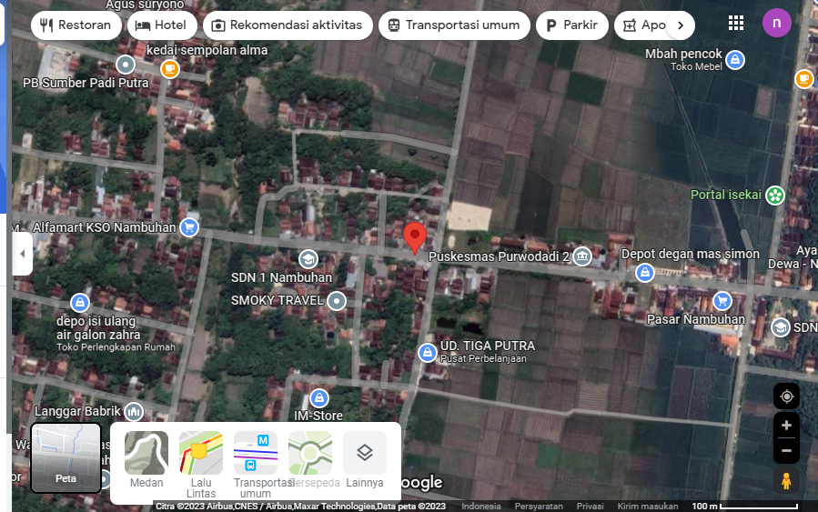

ALI MAHMUDI

SLD
SINGLE LINE DIAGRAM LOKASI

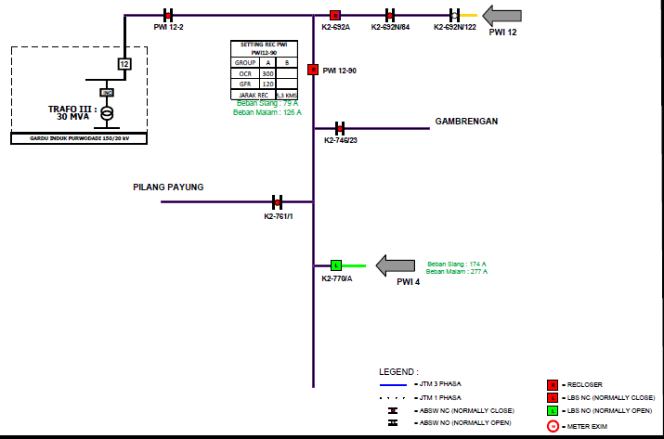

lokasi

